Sheet1
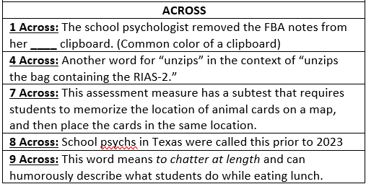
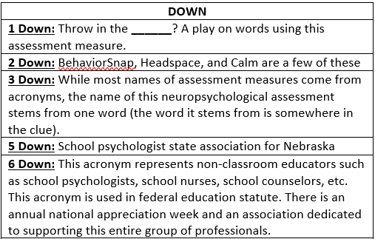
 | 1D | 2D | 3D | 5D | 6D
1A
4A
7A
8A
9A
TYPE IN YOUR ANSWERS ABOVE
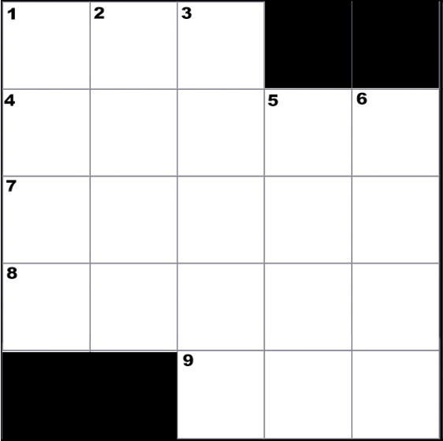

CREATED BY SCHOOLPSYCH.COM

ANSWERS
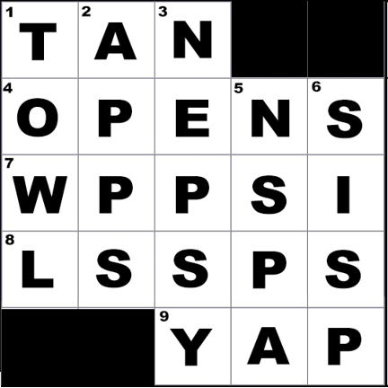

DOWN
1 Down: TOWL (Test of Written Language, which is currently in its 4th edition as of 2021)
2 Down: Apps
3 Down: NEPSY (It stems from the word NEuroPSYchological. It is currently in its 2nd edition as of 2021)
5 Down: NSPA (Nebraska School Psychologists Association)
6 Down: SISP (Specialized Instructional Support Personnel, and the national association for this group is NASISP, National Alliance of Specialized Instructional Support Personnel)
ACROSS
1 Across: Tan
4 Across: Opens
7 Across: WPPSI (Wechsler Preschool and Primary Scale of Intelligence, which is currently in its 4th edition as of 2021. The subtest mentioned in the clue was Zoo Locations.)
8 Across: LSSPs (School psychologists in Texas were referred to as Licensed Specialists in School Psychology)
9 Across: Yap
WHY CROSSWORD PUZZLES?
School psychologists always work together in multi-disciplinary teams to problem solve how to help students. Meeting the unique needs of a student can be similar to solving a puzzle. It is intended that school psychologists work together in groups on these crossword puzzles to demonstrate how each person’s knowledge and experience contributes to solving the puzzle. This symbolizes the importance of collaboration among team members when working together to help students. It is also a great team-building exercise with the added benefit of school psychologists learning new things about their job.

