Sheet1
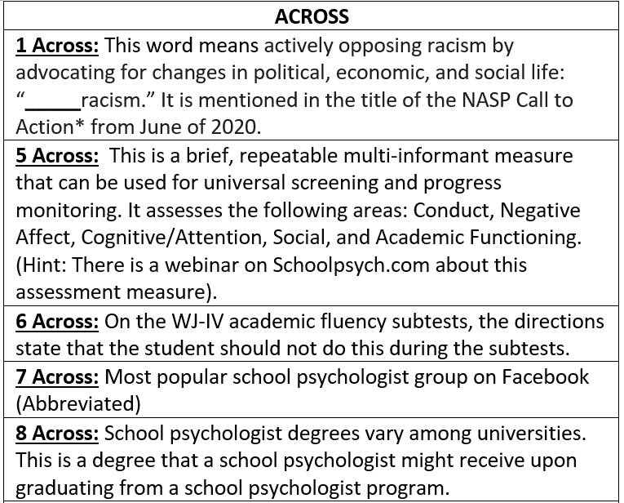
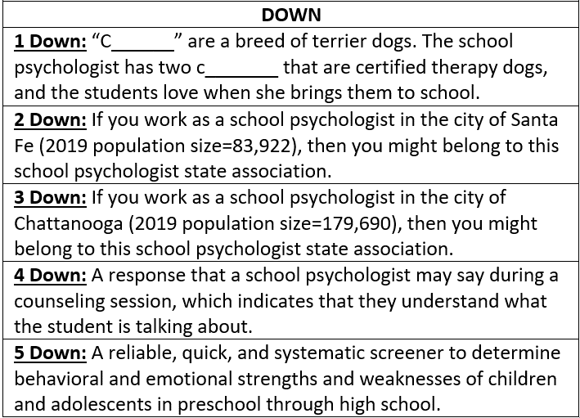
 | 5D | 1D | 2D | 3D | 4D
1A
5A
6A
7A
8A
TYPE IN YOUR ANSWERS ABOVE
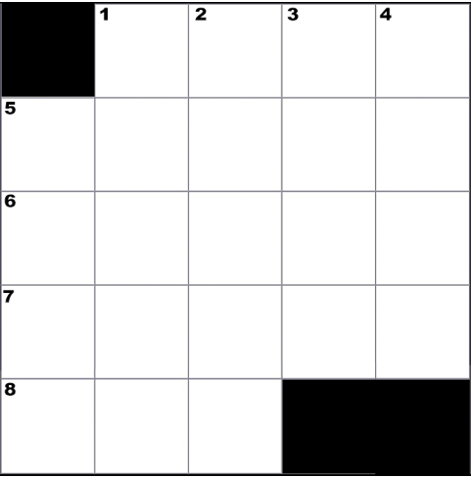

CREATED BY SCHOOLPSYCH.COM

ANSWERS
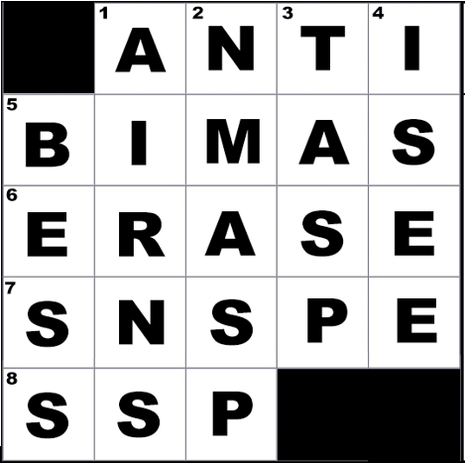

ACROSS
1 Across: Anti (Antiracism; Title of NASP’s Article: School Psychology Unified Antiracism Statement and Call to Action)
5 Across: BIMAS (The Behavior Intervention Monitoring Assessment System, which is currently in its 2nd edition as of 2021)
6 Across: Erase (students are to cross out instead)
7 Across: SNSPE (Said No School Psychologist Ever)
8 Across: SSP (Specialist in School Psychology)
DOWN
1 Down: airns (Cairns)
2 Down: NMASP (New Mexico Association of School Psychologists)
3 Down: TASP (Tennessee Association of School Psychologists)
4 Down: I see
5 Down: BESS (Behavioral and Emotional Screening System)
WHY CROSSWORD PUZZLES?
School psychologists always work together in multi-disciplinary teams to problem solve how to help students. Meeting the unique needs of a student can be similar to solving a puzzle. It is intended that school psychologists work together in groups on these crossword puzzles to demonstrate how each person’s knowledge and experience contributes to solving the puzzle. This symbolizes the importance of collaboration among team members when working together to help students. It is also a great team-building exercise with the added benefit of school psychologists learning new things about their job.

