Sheet1
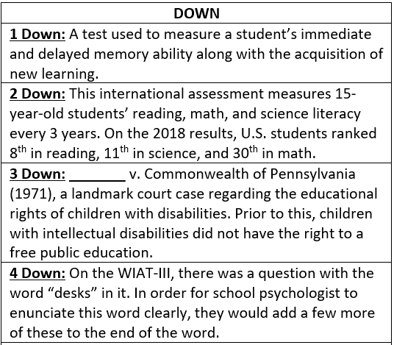
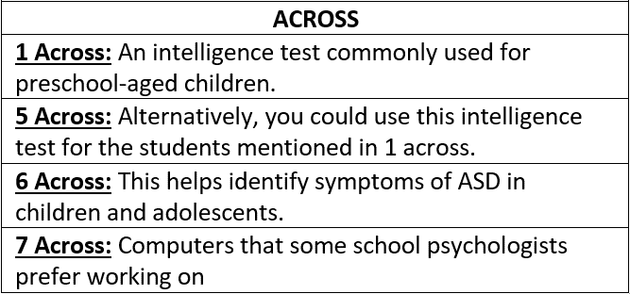
 | 1D | 2D | 3D | 4D
1A
5A
6A
7A

 | Type your answers above
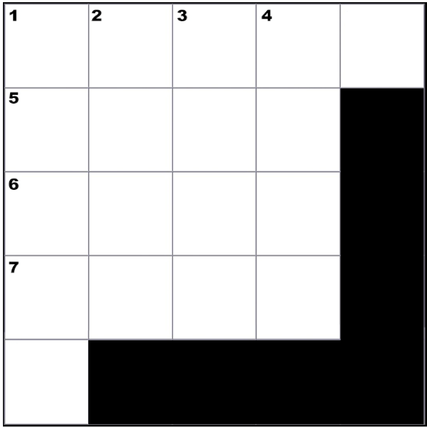

CREATED BY SCHOOLPSYCH.COM

ANSWERS
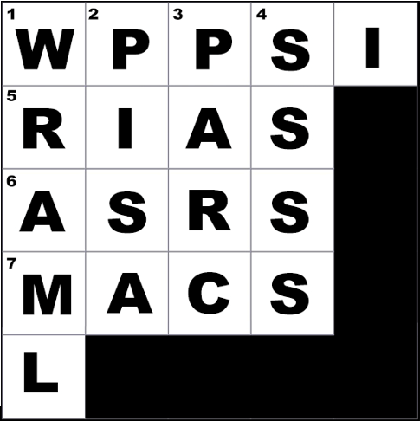

DOWN
1 Down: WRAML (Wide Range Assessment of Memory and Learning, which is currently in its 3rd edition as of 2021)
2 Down: PISA (Programme for International Student Assessment)
3 Down: PARC (This stood for Pennsylvania Association for Retarded Citizens and is now The Arc, which is an organization serving people with intellectual and developmental disabilities.)
4 Down: Ssss (Fortunately, the word desks is not in the WIAT-4 as it’s rather awkward to pronounce.)
ACROSS
1 Across: WPPSI (Wechsler Preschool and Primary Scale of Intelligence, which is currently in its 4th edition as of 2021)
5 Across: RIAS (Reynolds Intellectual Assessment Scales, which is currently in its 2nd edition as of 2021)
6 Across: ASRS (Autism Spectrum Rating Scales)
7 Across: Macs
WHY CROSSWORD PUZZLES?
School psychologists always work together in multi-disciplinary teams to problem solve how to help students. Meeting the unique needs of a student can be similar to solving a puzzle. It is intended that school psychologists work together in groups on these crossword puzzles to demonstrate how each person’s knowledge and experience contributes to solving the puzzle. This symbolizes the importance of collaboration among team members when working together to help students. It is also a great team-building exercise with the added benefit of school psychologists learning new things about their job.

