Sheet1
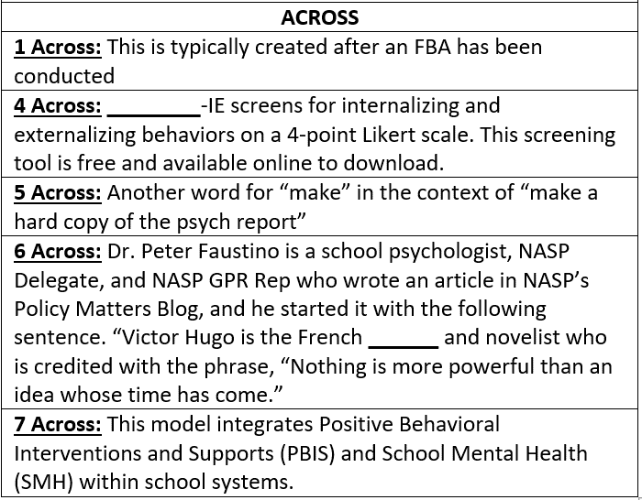
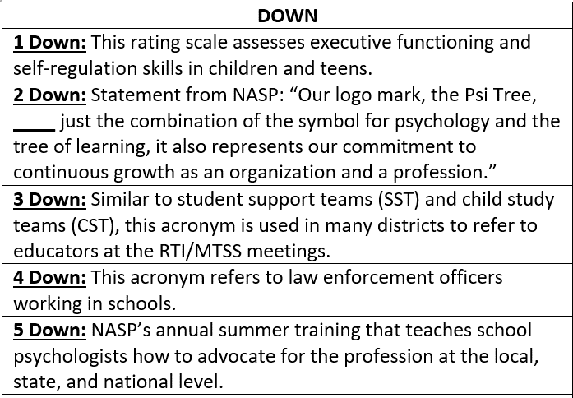
 | 5D | 4D | 1D | 2D | 3D
1A
4A
5A
6A
7A
TYPE IN YOUR ANSWERS ABOVE
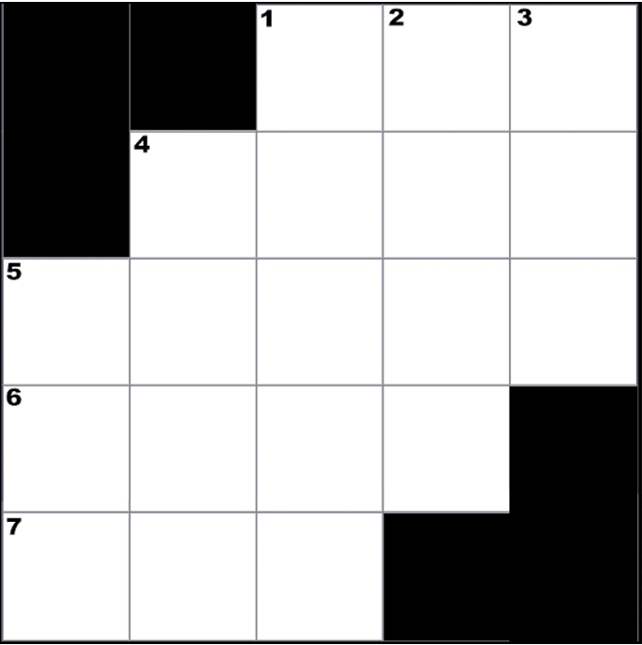

CREATED BY SCHOOLPSYCH.COM

ANSWERS
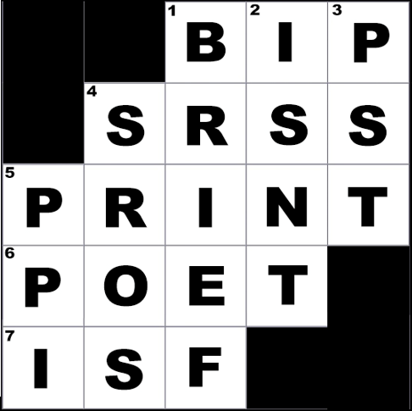

DOWN
1 Down: BRIEF (Behavior Rating Inventory of Executive Function, which is currently in its 2nd edition as of 2021)
2 Down: Isn’t
3 Down: PST (Problem Solving Team)
4 Down: SROs (School Resource Officers)
5 Down: PPI (Public Policy Institute)
ACROSS
1 Across: BIP (Behavior Intervention Plan)
4 Across: SRSS (SRSS-IE stands for Student Risk Screening Scale – Internalizing and Externalizing)
5 Across: Print
6 Across: Poet
7 Across: ISF (Interconnected Systems Framework)
WHY CROSSWORD PUZZLES?
School psychologists always work together in multi-disciplinary teams to problem solve how to help students. Meeting the unique needs of a student can be similar to solving a puzzle. It is intended that school psychologists work together in groups on these crossword puzzles to demonstrate how each person’s knowledge and experience contributes to solving the puzzle. This symbolizes the importance of collaboration among team members when working together to help students. It is also a great team-building exercise with the added benefit of school psychologists learning new things about their job.

