Sheet1
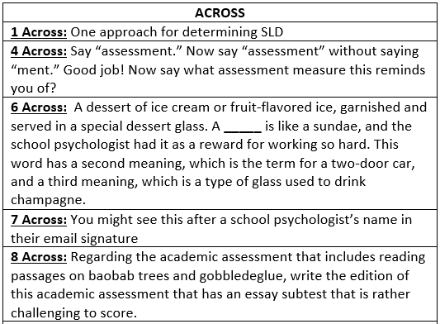
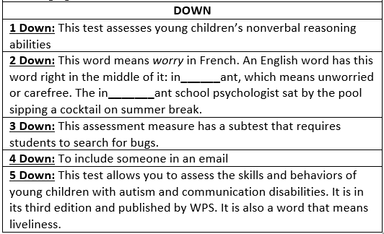
 | 4D | 1D | 2D | 3D | 5D
1A
4A
6A
7A
8A
 | Type your answers above
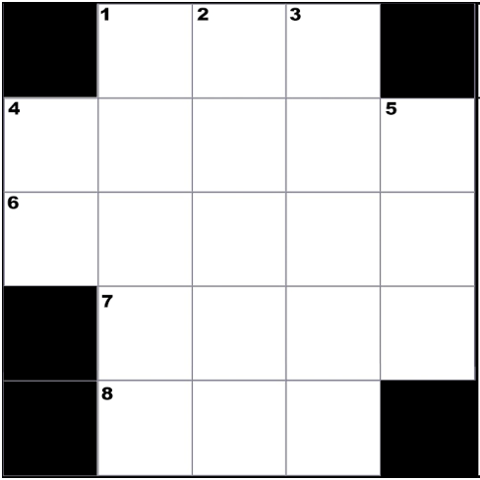

CREATED BY SCHOOLPSYCH.COM

ANSWERS
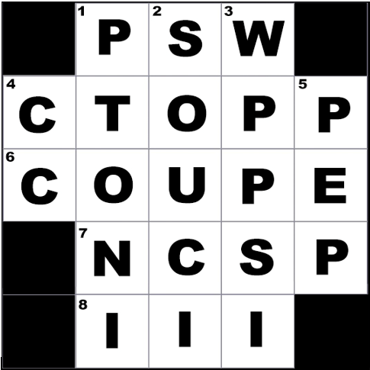

ACROSS
1 Across: PSW (Pattern of Strengths and Weaknesses is one approach for determining Specific Learning Disability)
4 Across: CTOPP (Comprehensive Test of Phonological Processing, which is currently in its 2nd edition as of 2021)
6 Across: Coupe
7 Across: NCSP (Nationally Certified School Psychologist)
8 Across: III (WIAT-III. Fortunately, the new auto scoring feature on the WIAT-4 makes it a lot easier.)
DOWN
1 Down: PTONI (Primary Test of Nonverbal Intelligence)
2 Down: Souci (The English word mentioned in the clue is insouciant)
3 Down: WPPSI (Wechsler Preschool and Primary Scale of Intelligence, which is currently in its 4th edition as of 2021. The subtest mentioned in the clue was Bug Search.)
4 Down: CC (Carbon copy)
5 Down: PEP (Psychoeducational Profile, which is currently in its 3rd edition as of 2021)
WHY CROSSWORD PUZZLES?
School psychologists always work together in multi-disciplinary teams to problem solve how to help students. Meeting the unique needs of a student can be similar to solving a puzzle. It is intended that school psychologists work together in groups on these crossword puzzles to demonstrate how each person’s knowledge and experience contributes to solving the puzzle. This symbolizes the importance of collaboration among team members when working together to help students. It is also a great team-building exercise with the added benefit of school psychologists learning new things about their job.

