Sheet1
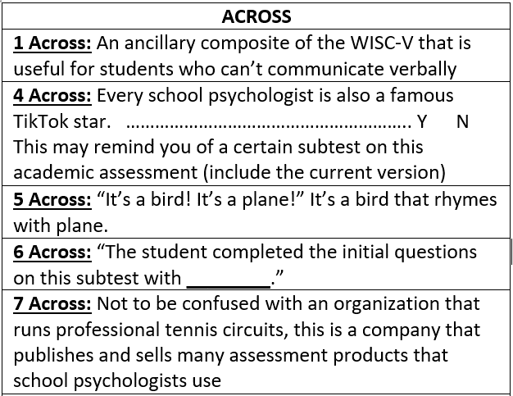
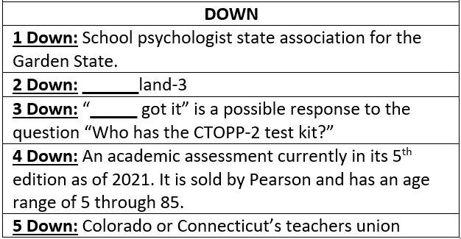
 | 5D | 4D | 1D | 2D | 3D
1A
4A
5A
6A
7A
TYPE IN YOUR ANSWERS ABOVE
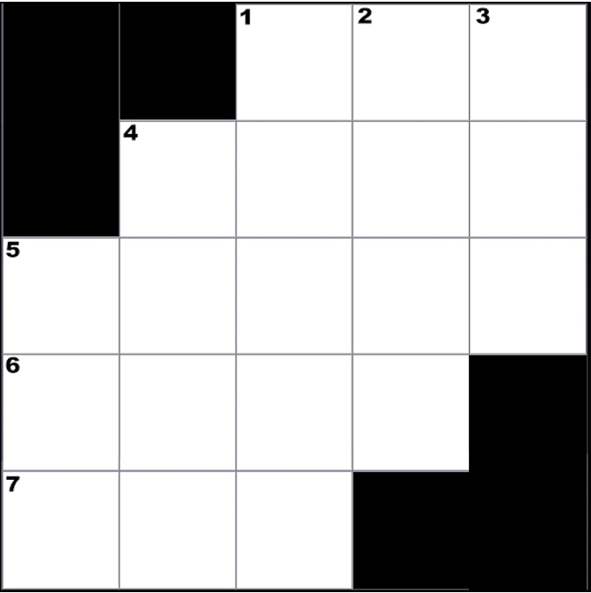

CREATED BY SCHOOLPSYCH.COM

ANSWERS
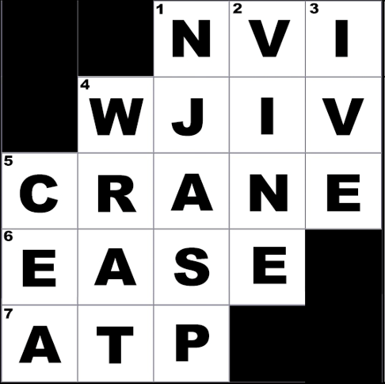

ACROSS
1 Across: NVI (Nonverbal Index)
4 Across: WJ IV (Woodcock-Johnson IV Tests of Achievement. The subtest mentioned was Sentence Reading Fluency.)
5 Across: Crane
6 Across: Ease
7 Across: ATP (Academic Therapy Publications)
DOWN
1 Down: NJASP (New Jersey Association of School Psychologists)
2 Down: Vine (Vineland-3)
3 Down: I’ve
4 Down: WRAT5 (Wide Range Achievement Test, 5th edition)
5 Down: CEA (Colorado Education Association or Connecticut Education Association)
WHY CROSSWORD PUZZLES?
School psychologists always work together in multi-disciplinary teams to problem solve how to help students. Meeting the unique needs of a student can be similar to solving a puzzle. It is intended that school psychologists work together in groups on these crossword puzzles to demonstrate how each person’s knowledge and experience contributes to solving the puzzle. This symbolizes the importance of collaboration among team members when working together to help students. It is also a great team-building exercise with the added benefit of school psychologists learning new things about their job.

