Sheet1
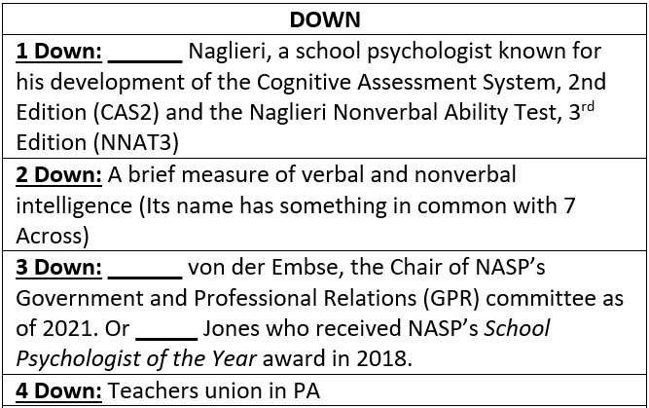
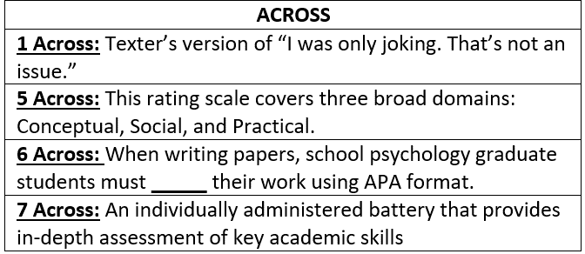
 | 1D | 2D | 3D | 4D
1A
5A
6A
7A
 | Type your answers above
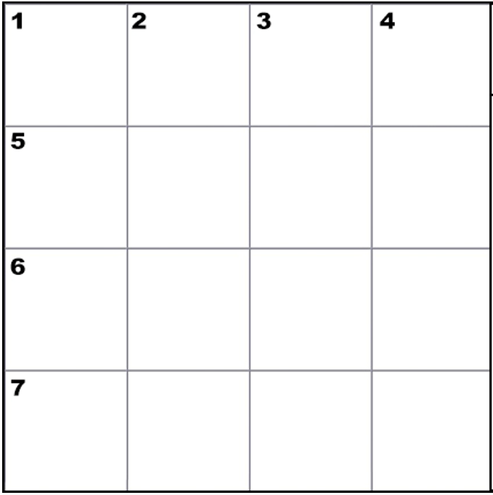

CREATED BY SCHOOLPSYCH.COM

ANSWERS
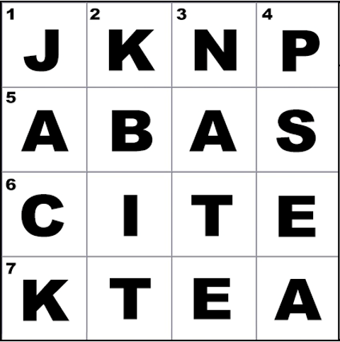

DOWN
1 Down: Jack
2 Down: KBIT (Kaufman Brief Intelligence Test, which is currently in its 2nd edition)
3 Down: Nate
4 Down: PSEA (Pennsylvania State Education Association)
ACROSS
1 Across: JKNP (Just kidding no problem)
5 Across: ABAS (Adaptive Behavior Assessment System, which is currently in its 3rd edition as of 2021)
6 Across: Cite
7 Across: KTEA (Kaufman Test of Educational Achievement, which is currently in its 3rd edition as of 2021)
WHY CROSSWORD PUZZLES?
School psychologists always work together in multi-disciplinary teams to problem solve how to help students. Meeting the unique needs of a student can be similar to solving a puzzle. It is intended that school psychologists work together in groups on these crossword puzzles to demonstrate how each person’s knowledge and experience contributes to solving the puzzle. This symbolizes the importance of collaboration among team members when working together to help students. It is also a great team-building exercise with the added benefit of school psychologists learning new things about their job.

