Sheet1
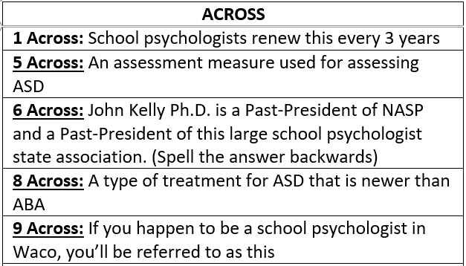
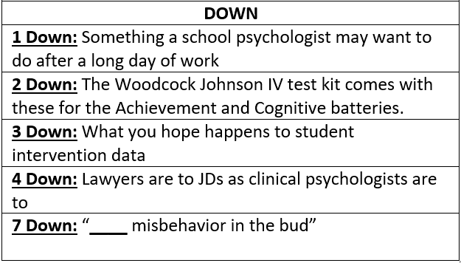
 | 1D | 2D | 3D | 4D | 7D
1A
5A
6A
8A
9A
 | Type your answers above
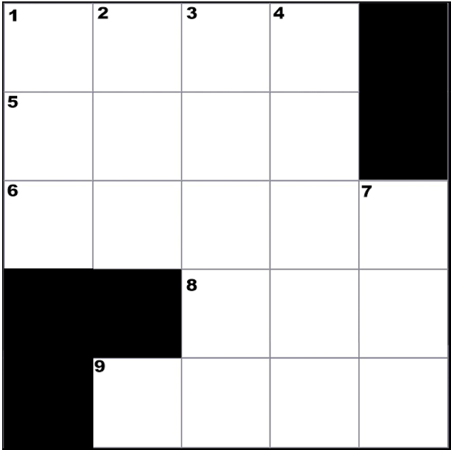

CREATED BY SCHOOLPSYCH.COM

ANSWERS
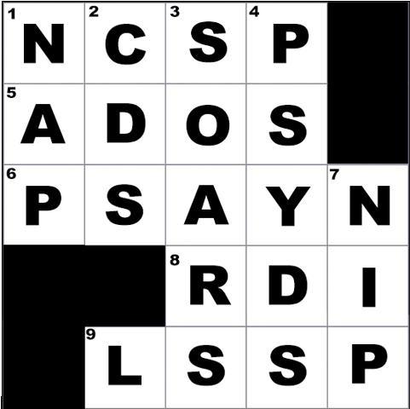

ACROSS
1 Across: NCSP (Nationally Certified School Psychologist)
5 Across: ADOS (Autism Diagnostic Observation Schedule, currently in its 2nd edition as of 2021)
6 Across: PSAYN (Spelt backwards is NYASP which stands for New Yok Association of School Psychologists)
8 Across: RDI (Relationship Development Intervention)
9 Across: LSSP (School psychologists in Texas are referred to as Licensed Specialists in School Psychology)
DOWN
1 Down: Nap
2 Down: CDs (Compact discs)
3 Down: Soars
4 Down: PsyDs (PsyDs are Doctor of Psychology degrees. JDs are Juris Doctor degrees)
7 Down: Nip
WHY CROSSWORD PUZZLES?
School psychologists always work together in multi-disciplinary teams to problem solve how to help students. Meeting the unique needs of a student can be similar to solving a puzzle. It is intended that school psychologists work together in groups on these crossword puzzles to demonstrate how each person’s knowledge and experience contributes to solving the puzzle. This symbolizes the importance of collaboration among team members when working together to help students. It is also a great team-building exercise with the added benefit of school psychologists learning new things about their job.

