Sheet1
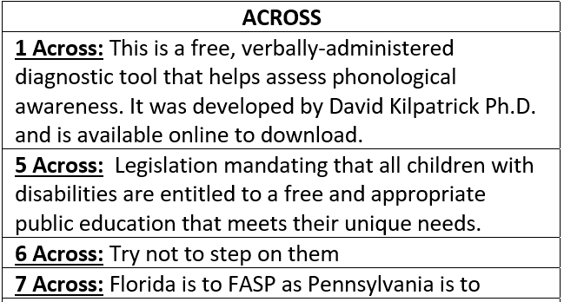
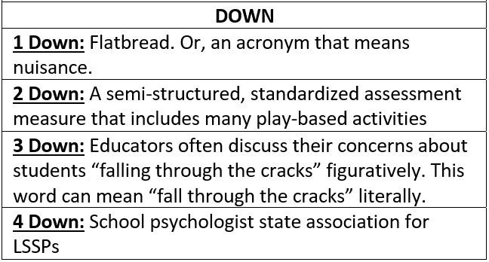
 | 1D | 2D | 3D | 4D
1A
5A
6A
7A
TYPE IN YOUR ANSWERS ABOVE
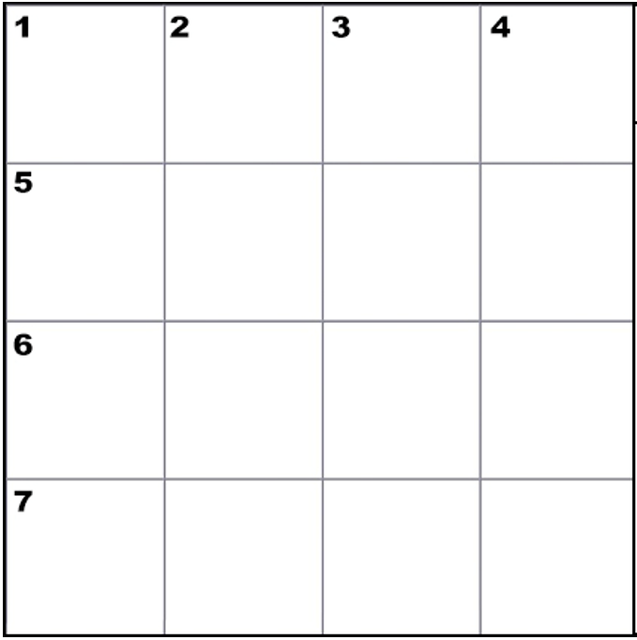

CREATED BY SCHOOLPSYCH.COM

ANSWERS
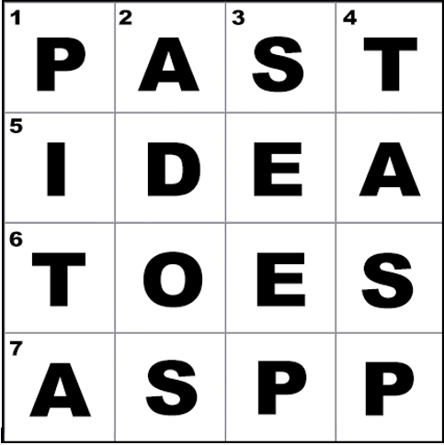

ACROSS
1 Across: PAST (Phonological Awareness Screening Test)
5 Across: IDEA (Individuals with Disabilities Education Act)
6 Across: Toes
7 Across: ASPP (Association of School Psychologists of Pennsylvania)
DOWN
1 Down: Pita
2 Down: ADOS (Autism Diagnostic Observation Schedule, currently in its 2nd edition as of 2021)
3 Down: Seep
4 Down: TASP (Texas Association of School Psychologists. School psychologists in Texas are referred to as Licensed Specialists in School Psychology or LSSPs)
WHY CROSSWORD PUZZLES?
School psychologists always work together in multi-disciplinary teams to problem solve how to help students. Meeting the unique needs of a student can be similar to solving a puzzle. It is intended that school psychologists work together in groups on these crossword puzzles to demonstrate how each person’s knowledge and experience contributes to solving the puzzle. This symbolizes the importance of collaboration among team members when working together to help students. It is also a great team-building exercise with the added benefit of school psychologists learning new things about their job.

