Sheet1
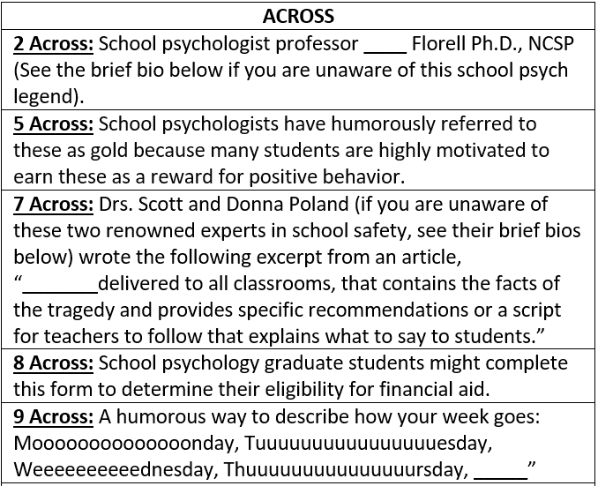
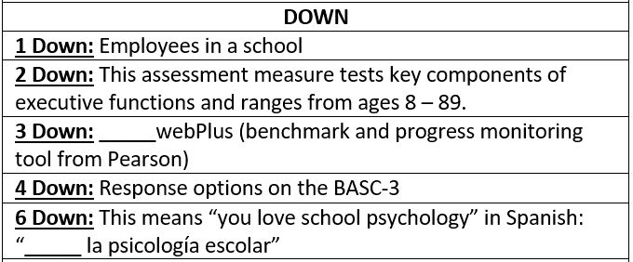
 | 1D | 6D | 2D | 3D | 4D
1A
5A
7A
8A
9A
TYPE IN YOUR ANSWERS ABOVE
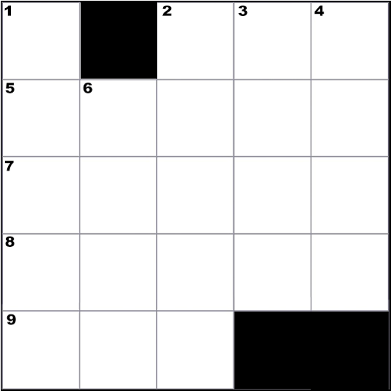

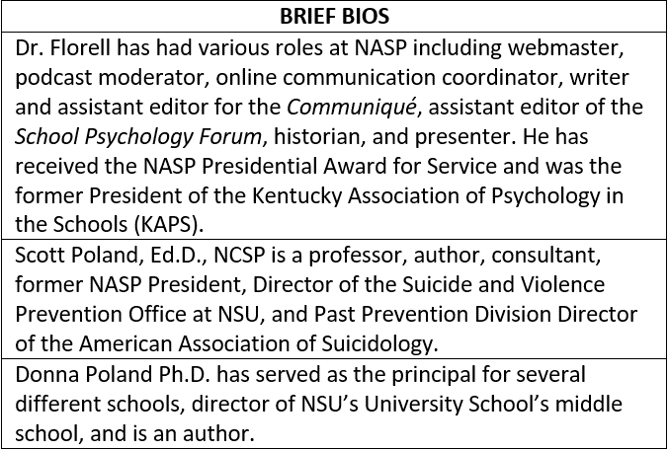
CREATED BY SCHOOLPSYCH.COM

ANSWERS
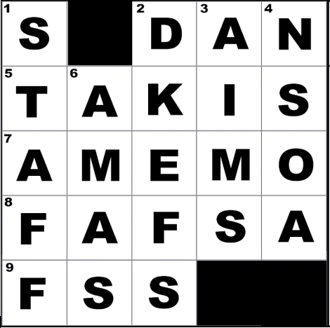

ACROSS
2 Across: Dan
5 Across: Takis
7 Across: A memo
8 Across: FAFSA (Free Application for Federal Student Aid)
9 Across: FSS (Friday, Saturday, Sunday)
DOWN
1 Down: Staff
2 Down: D-KEFS (Delis-Kaplan Executive Function System)
3 Down: aims (aimswebPlus)
4 Down: NSOA (Never, Sometimes, Often, Almost Always)
6 Down: Amas (Amas la psicología escolar)
WHY CROSSWORD PUZZLES?
School psychologists always work together in multi-disciplinary teams to problem solve how to help students. Meeting the unique needs of a student can be similar to solving a puzzle. It is intended that school psychologists work together in groups on these crossword puzzles to demonstrate how each person’s knowledge and experience contributes to solving the puzzle. This symbolizes the importance of collaboration among team members when working together to help students. It is also a great team-building exercise with the added benefit of school psychologists learning new things about their job.

